10. Warehouse
▣ KCTR Warehouse payment

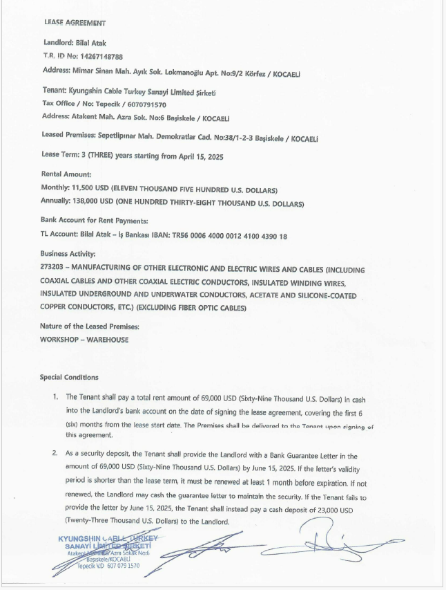
2025 |  | Dnit | Jan | Feb | Mar | Apr | May | Jun | Jul | Aug | Sep | Oct | Nov | Dec | Yearly Avarage | Remark | 1. 현 KCTR 창고 임대차 계약서
사무실 렌트비 (Warehouse Rent) |  | USD | $11,500 | $11,500 | $11,500 | $11,500 | $11,500 | $11,500 | $11,500 | $11,500 | $11,500 | $11,500 | $11,500 | $11,500 | $138,000.00
 |  | TL | ₺494,500 | ₺494,500 | ₺494,500 | ₺494,500 | ₺494,500 | ₺494,500 | ₺494,500 | ₺494,500 | ₺494,500 | ₺494,500 | ₺494,500 | ₺494,500 | TRY 5,934,000.00
관리비 Warehouse Electricity expenses |  | TL | ₺15,285 | ₺15,285 | ₺15,285 | ₺15,285 | ₺15,285 | ₺15,285 | ₺15,285 | ₺15,285 | ₺15,285 | ₺15,285 | ₺15,285 | ₺15,285 | TRY 183,424.80 | 25 : 11,758 TL (new warehouse)
관리비 Warehouse Water expenses |  | TL | ₺7,643 | ₺7,643 | ₺7,643 | ₺7,643 | ₺7,643 | ₺7,643 | ₺7,643 | ₺7,643 | ₺7,643 | ₺7,643 | ₺7,643 | ₺7,643 | TRY 91,712.40 | 25 : 5,879 TL

▣ `25 CHEP Box rental and issue payment for BEV-M

 |  |  | Jan | Feb | Mar | Apr | May | Jun | Jul | Aug | Sep | Oct | Nov | Dec | Annual Total | Remark
CHEP Issue Fee |  | € | € 1,225 | € 1,392 | € 1,606 | € 993 | € 1,383 | € 1,726 | € 1,058 | € 1,466 | € 1,559 | € 1,559 | € 1,392 | € 1,392 | € 16,752
 |  | TL | ₺62,480 | ₺71,000 | ₺81,887 | ₺50,647 | ₺70,527 | ₺88,040 | ₺53,960 | ₺74,787 | ₺79,520 | ₺79,520 | ₺71,000 | ₺71,000 | ₺854,366
CHEP Rent Fee |  | € | € 383 | € 435 | € 502 | € 310 | € 432 | € 539 | € 331 | € 458 | € 487 | € 487 | € 435 | € 435 | € 5,233
 |  | TL | ₺19,517 | ₺22,179 | ₺25,580 | ₺15,821 | ₺22,031 | ₺27,502 | ₺16,856 | ₺23,362 | ₺24,840 | ₺24,840 | ₺22,179 | ₺22,179 | ₺266,886
P703 Packaging Materials |  | TL | ₺110,088 | ₺110,088 | ₺110,088 | ₺110,088 | ₺110,088 | ₺110,088 | ₺110,088 | ₺110,088 | ₺110,088 | ₺110,088 | ₺110,088 | ₺110,088 | ₺1,321,059

▣ `26 CHEP Box rental and issue payment for BEV-M

 |  |  | Jan | Feb | Mar | Apr | May | Jun | Jul | Aug | Sep | Oct | Nov | Dec | Annual Total | Remark
CHEP Issue Fee |  | € | € 1,593 | € 1,810 | € 2,087 | € 1,291 | € 1,798 | € 2,244 | € 1,375 | € 1,906 | € 2,027 | € 2,027 | € 1,810 | € 1,810 | € 21,778 | 25년 대비 30% 상승
 |  | TL | ₺81,224 | ₺92,300 | ₺106,453 | ₺65,841 | ₺91,685 | ₺114,452 | ₺70,148 | ₺97,223 | ₺103,376 | ₺103,376 | ₺92,300 | ₺92,300 | ₺1,110,676
CHEP Rent Fee |  | € | € 498 | € 565 | € 652 | € 403 | € 562 | € 701 | € 430 | € 595 | € 633 | € 633 | € 565 | € 565 | € 6,803 | 25년 대비 30% 상승
 |  | TL | ₺25,373 | ₺28,833 | ₺33,254 | ₺20,567 | ₺28,640 | ₺35,752 | ₺21,913 | ₺30,370 | ₺32,292 | ₺32,292 | ₺28,833 | ₺28,833 | ₺346,952
P703 Packaging Materials |  | TL | ₺110,088 | ₺110,088 | ₺110,088 | ₺110,088 | ₺110,088 | ₺110,088 | ₺110,088 | ₺110,088 | ₺110,088 | ₺110,088 | ₺110,088 | ₺110,088 | ₺1,321,059 | 25년 대비 30% 상승

▣ `26년 PHEV-E (P703) Packaging Materials list
S/N | ZER Code | MATERIAL | Quantity | Amount | Total Amount
1 | 770835 | IMC090-HC | 250 | ₺81.3 | ₺26,429
2 | 742740 | IMC090 VCI | 250 | ₺28.7 | ₺9,321
3 | 742499 | IMC100 | 1,150 | ₺102.2 | ₺152,759
4 | 742741 | IMC100 VCI | 1,150 | ₺34.4 | ₺51,443
5 | 770838 | IMC120HC | 2,000 | ₺132.8 | ₺345,150
6 | 742743 | IMC120 VCI | 2,000 | ₺51.6 | ₺134,212
7 | 1836587 | Bubble Layer | 10,000 | ₺35.0 | ₺454,740
8 | 771350 | 50*50*5,0*130 | 8,800 | ₺1.2 | ₺13,957
9 | 742640 | 50*50*5,0*225 | 5,000 | ₺2.1 | ₺13,650
10 | 742647 | 50*50*5,0*920 | 700 | ₺8.6 | ₺7,835
11 | 742630 | 114x98 | 200 | ₺429.1 | ₺111,563
 |  | Total | 31,500 | ₺907.0 | ₺1,321,059

12. Loan
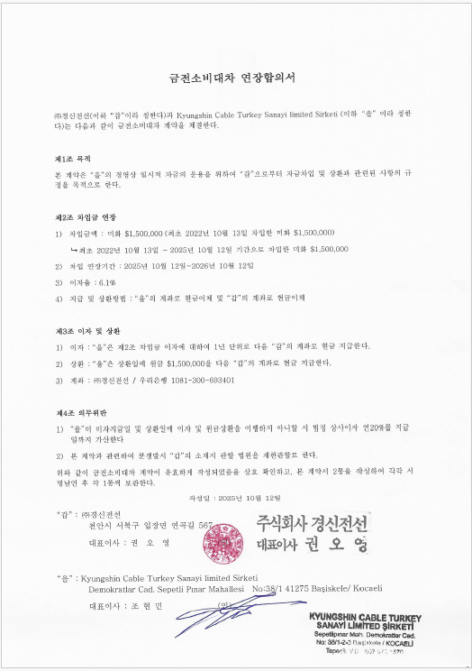
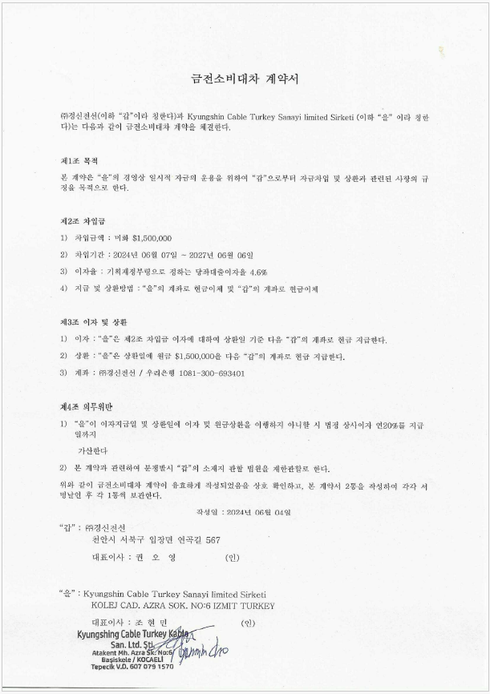
▣ Loan payment |  |  |  |  | ▣ Loan payment

 | 1차 (연장) | 2차 | 단위 | USD / TRY |  |  | Jan | Feb | Mar | Apr | May | Jun | Jul | Aug | Sep | Oct | Nov | Dec | Yearly Avarage | Remark
차입일 | 2025-10-12 | 2024-06-07 |  |  | Loan payment | USD |  |  |  |  |  |  |  |  |  | $1,500,000 |  |  | $1,500,000 | Will not be paid 2026
만기일 | 2026-10-12 | 2027-06-06 |  |  |  | TL |  |  |  |  |  |  |  |  |  | ₺64,500,000 |  |  | ₺64,500,000 | Will not be paid 2026
대여금 | 1,500,000 | 1,500,000 | USD |  | Interest rate | USD |  |  |  |  |  |  |  |  |  | $91,500 |  |  | $91,500
이자율 | 6.10% | 4.60% | USD |  |  | TL |  |  |  |  |  |  |  |  |  | ₺3,934,500 |  |  | ₺3,934,500
이자액(년) |  |  | USD
이자액(월) |  |  | USD
이자액(월) |  |  | TL

< 1차>
< 2차>

